Table 2
College of American Pathologists (CAP) GH5 Survey Data: (updated 6/18) The American Diabetes Association (ADA) recommends that “The A1C test should be performed using a method that is certified by the NGSP”. All laboratories performing HbA1c testing should participate in a fresh sample proficiency testing survey such as the College of American Pathologists (CAP). CAP GH5 data for the first survey of 2018 are summarized below. The NGSP target or reference values are based on replicate analyses using eight NGSP certified secondary reference methods.
Commentary by R. Little, Ph.D., NGSP Network Coordinator for the NGSP Steering Committee Beginning in 2015 there are two CAP programs for HbA1c proficiency testing using fresh whole blood samples - GH2 and GH5. GH2 samples are shipped twice a year with three samples in each mailing as before. GH5 are shipped three times a year with five samples in each mailing. The three samples in each of the two GH2 mailings are also included in two of the GH5 mailings. Therefore the NGSP follows the three GH5 surveys which include all the samples used for both surveys. In 2018, based on data from the GH5-A survey: • Bias from the NGSP target and variability (±2SD) are shown in Table 1 and in figure 1 (ordered by HbA1c level in figure) for each method. The shaded rectangle (fig 1) reflects the current CAP acceptance limit of ±6. • Method-specific biases > 0.30 (shaded cells, table) were seen with only two methods (Siemens Dimension ExL and Dimension RxL, each for only the highest level sample). • Method-specific, between-laboratory CV’s ranged from 1.0% to 4.7%. The Beckman AU had a CV over 3.5% for four samples and the Siemens Dimension ExL, Siemens Dimension RxL, Siemens Dimension Xpand and Siemens DCA 2000/2000+ had CVs over 3.5% for one or two samples. A few other methods had CVs over 3.5% for one sample. There were six methods with CVs ≤2% for 5/5 samples– the Abbott Architect c enzymatic, Arkray Adams HA-8180, Bio-Rad D-100, Sebia Capillarys 2, Tosoh G8 and Trinity Biotech Premier. Approximately 45% of laboratories are using methods with between-lab CVs <3% at all five HbA1c levels; approximately 76% of laboratories are using methods with CVs <3.5% at all five HbA1c levels. • The current pass limit for the GH5 survey is ±6%. The overall pass rates for this survey were 95.9%, 97.3%, 96.8%, 95.6% and 97.1% for GH5-01 through 05, respectively. For individual methods, the lowest pass rate was 72.7% and the highest was 100%. As expected, methods wit

NOTE: The NGSP certification evaluates agreement of each method at the manufacturing site using one lot of reagents and calibrators, one instrument, and one application under optimal conditions. CAP precision reflects between-laboratory reproducibility, often with more than one lot of reagents and calibrators, and sometimes with different instruments (e.g. Cobas Integra 400 & Cobas Integra 800) and/or different applications (e.g. Cobas Integra hemolysate or whole blood application). In addition, if changes were made in the method just prior to NGSP certification, it is possible that not all participating laboratories in the field would have made the change at the time of the CAP survey. For these reasons, it is important that laboratories review not only the certification status of HbA1c methods but also their performance in the CAP survey over time (a good indication of field performance) when selecting or evaluating HbA1c assay methods.
TABLE 1: 2018 GH5-A (fresh pooled samples)
 |  | GH5-01 |  |  | GH5-02 |  |  | GH5-03 |  |  | GH5-04 |  |  | GH5-05
NGSP %HbA1c Reference Value (95% CI) |  | 7.15 (7.09-7.20) |  |  | 5.19 (5.14-5.24) |  |  | 8.42 (8.37-8.48) |  |  | 9.79 (9.74-9.84) |  |  | 6.12 (6.07-6.17)
 | no. labs | Mean %HbA1c | Mean bias | % CV | Mean %HbA1c | Mean bias | % CV | Mean %HbA1c | Mean bias | % CV | Mean %HbA1c | Mean bias | % CV | Mean %HbA1c | Mean bias | % CV
Abbott Architect c (enzymatic) | 200 | 6.99 | -0.16 | 1.3 | 5.05 | -0.14 | 1.5 | 8.21 | -0.21 | 1.3 | 9.70 | -0.09 | 1.2 | 5.91 | -0.21 | 1.4
Alere Afinion | 153 | 7.07 | -0.08 | 1.6 | 5.24 | 0.05 | 2.5 | 8.28 | -0.14 | 1.6 | 9.73 | -0.06 | 1.8 | 6.10 | -0.02 | 2.3
Arkray Adams HA-8180 series | 17 | 7.16 | 0.01 | 1.4 | 5.19 | 0.00 | 2.0 | 8.46 | 0.04 | 1.4 | 9.83 | 0.04 | 1.0 | 6.09 | -0.03 | 1.5
Beckman AU | 87 | 7.16 | 0.01 | 3.9 | 5.27 | 0.08 | 4.3 | 8.32 | -0.10 | 4.7 | 9.66 | -0.13 | 4.0 | 6.16 | 0.04 | 3.4
Beckman UniCel DxC | 111 | 7.24 | 0.09 | 3.3 | 5.27 | 0.08 | 3.7 | 8.50 | 0.08 | 2.9 | 9.95 | 0.16 | 2.3 | 6.12 | 0.00 | 2.5
Bio-Rad D-10 | 156 | 7.25 | 0.10 | 2.4 | 5.20 | 0.01 | 2.8 | 8.60 | 0.18 | 2.4 | 9.94 | 0.15 | 2.4 | 6.25 | 0.13 | 2.6
Bio-Rad D-100 | 60 | 7.02 | -0.13 | 1.4 | 5.15 | -0.04 | 2.0 | 8.18 | -0.24 | 1.8 | 9.52 | -0.27 | 1.6 | 6.10 | -0.02 | 1.5
Bio-Rad VII | 34 | 7.18 | 0.03 | 1.9 | 5.19 | 0.00 | 1.8 | 8.47 | 0.05 | 1.7 | 9.81 | 0.02 | 1.9 | 6.23 | 0.11 | 2.4
Bio-Rad VII Turbo | 62 | 7.12 | -0.03 | 2.2 | 5.13 | -0.06 | 2.5 | 8.48 | 0.06 | 2.4 | 9.83 | 0.04 | 2.7 | 6.13 | 0.01 | 2.9
Bio-Rad VII Turbo 2.0 | 142 | 7.16 | 0.01 | 1.8 | 5.11 | -0.08 | 2.7 | 8.46 | 0.04 | 2.2 | 9.75 | -0.04 | 2.0 | 6.13 | 0.01 | 1.8
Roche Cobas c311 | 21 | 6.93 | -0.22 | 2.9 | 4.89 | -0.30 | 4.0 | 8.35 | -0.07 | 2.1 | 9.88 | 0.09 | 1.8 | 5.88 | -0.24 | 3.1
Roche Cobas c500 series | 427 | 7.05 | -0.10 | 2.5 | 5.06 | -0.13 | 3.3 | 8.36 | -0.06 | 2.4 | 9.77 | -0.02 | 2.6 | 6.03 | -0.09 | 2.4
Roche Cobas c513 | 44 | 7.15 | 0.00 | 2.3 | 5.19 | 0.00 | 2.2 | 8.46 | 0.04 | 1.8 | 10.03 | 0.24 | 1.8 | 6.10 | -0.02 | 1.6
Roche Cobas Integra 400 | 47 | 6.96 | -0.19 | 2.2 | 5.19 | 0.00 | 2.9 | 8.37 | -0.05 | 1.9 | 9.94 | 0.15 | 2.2 | 6.07 | -0.05 | 2.9
Roche Cobas Integra 800 | 14 | 7.01 | -0.14 | 1.7 | 5.29 | 0.10 | 2.8 | 8.34 | -0.08 | 1.6 | 9.85 | 0.06 | 1.9 | 6.12 | 0.00 | 1.7
Sebia Capillarys 2 | 53 | 7.09 | -0.06 | 1.6 | 5.12 | -0.07 | 2.0 | 8.30 | -0.12 | 1.4 | 9.54 | -0.25 | 1.6 | 6.03 | -0.09 | 1.7
Siemens Advia | 15 | 7.19 | 0.04 | 2.8 | 5.31 | 0.12 | 3.9 | 8.32 | -0.10 | 3.1 | 9.60 | -0.19 | 3.3 | 6.16 | 0.04 | 2.4
Siemens DCA 2000/2000+ | 11 | 7.17 | 0.02 | 4.2 | 5.27 | 0.08 | 4.5 | 8.47 | 0.05 | 2.9 | - | - | - | - | - | -
Siemens DCA Vantage | 429 | 7.17 | 0.02 | 2.4 | 5.29 | 0.10 | 2.7 | 8.43 | 0.01 | 2.8 | 9.87 | 0.08 | 3.3 | 6.16 | 0.04 | 2.6
Siemens Dimension ExL | 207 | 7.19 | 0.04 | 2.9 | 5.26 | 0.07 | 3.6 | 8.16 | -0.26 | 2.6 | 9.47 | -0.32 | 2.6 | 6.16 | 0.04 | 3.4
Siemens Dimension RxL | 14 | 7.22 | 0.07 | 1.7 | 5.24 | 0.05 | 2.4 | 8.25 | -0.17 | 1.3 | 9.39 | -0.40 | 3.0 | 6.00 | -0.12 | 4.2
Siemens Dimension Vista | 303 | 7.42 | 0.27 | 2.6 | 5.14 | -0.05 | 3.8 | 8.48 | 0.06 | 2.4 | 9.51 | -0.28 | 2.4 | 6.23 | 0.11 | 2.8
Siemens Dimension Xpand | 22 | 7.28 | 0.13 | 2.6 | 5.30 | 0.11 | 3.7 | 8.21 | -0.21 | 3.5 | 9.53 | -0.26 | 2.7 | 6.20 | 0.08 | 4.4
Tosoh G7 Auto HPLC | 10 | 7.28 | 0.13 | 2.8 | 5.28 | 0.09 | 1.7 | 8.52 | 0.10 | 1.1 | - | - | - | - | - | -
Tosoh G8 Auto HPLC | 373 | 7.21 | 0.06 | 1.4 | 5.29 | 0.10 | 1.4 | 8.52 | 0.10 | 1.3 | 9.92 | 0.13 | 1.1 | 6.23 | 0.11 | 1.3
Trinity Biotech Premier | 85 | 7.35 | 0.20 | 1.7 | 5.41 | 0.22 | 2.0 | 8.55 | 0.13 | 1.4 | 9.96 | 0.17 | 1.5 | 6.33 | 0.21 | 1.9
(Ortho Clin Diag) Vitros 5,1 FS, 4600, 5600 | 190 | 7.16 | 0.01 | 3.0 | 5.25 | 0.06 | 2.4 | 8.40 | -0.02 | 2.8 | 9.71 | -0.08 | 3.1 | 6.10 | -0.02 | 2.7
Gray shading indicates bias > 0.3% HbA1c or CV > 3.5%
Note: these are arbitrary limits chosen to highlight methods with the highest bias and CV.
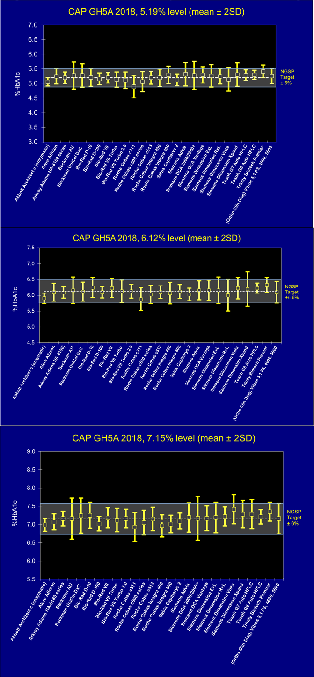
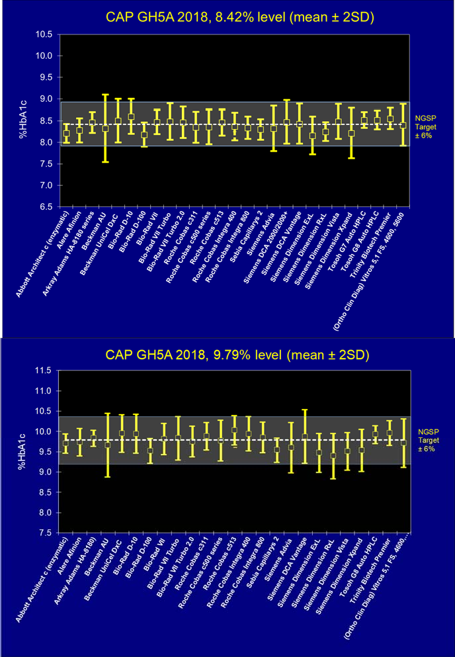
Figure 1: Bias and Variability from the NGSP Target

